Sheet1
 |  | Document No. | Issue No. | Issue Date |  | Review and Replace Date |  | Authorised By
 |  | GFF294MC | 3 | 17.05.2022 |  | 24.02.2026
 |  | Document Title | BOOTHS - DELI-10 Vegetable Samosa Large 1000g
 |  |  |  |  |  |  |  | Magda Shah
Document amendments reason for change |  | Tray product code changed | Page 1 of 1 |  | Previous Issue Date |  | 11.07.2023 | Uncontrolled copy unless signed original

CVSAL-B10TEB | BOOTHS - DELI |  | 10 Vegetable Samosa Large 1000g
STEP 1 |  |  |  |  | STEP 2
 |  |  |  |  | 

Tray: HW308/60 open ECO tray- (PKESS001-12) |  |  |  |  | Vegetable Samosa Large 100g (GFF003R): 10 Pieces
Film: K Peel RPSM 25µm (340mmX1000lm)-(PKKMP001-05)
STEP 3
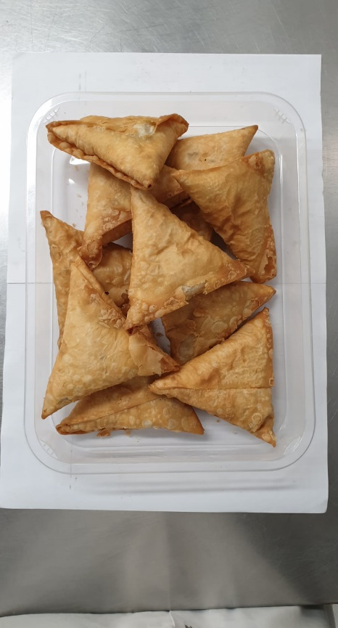 |  |  |  |  | 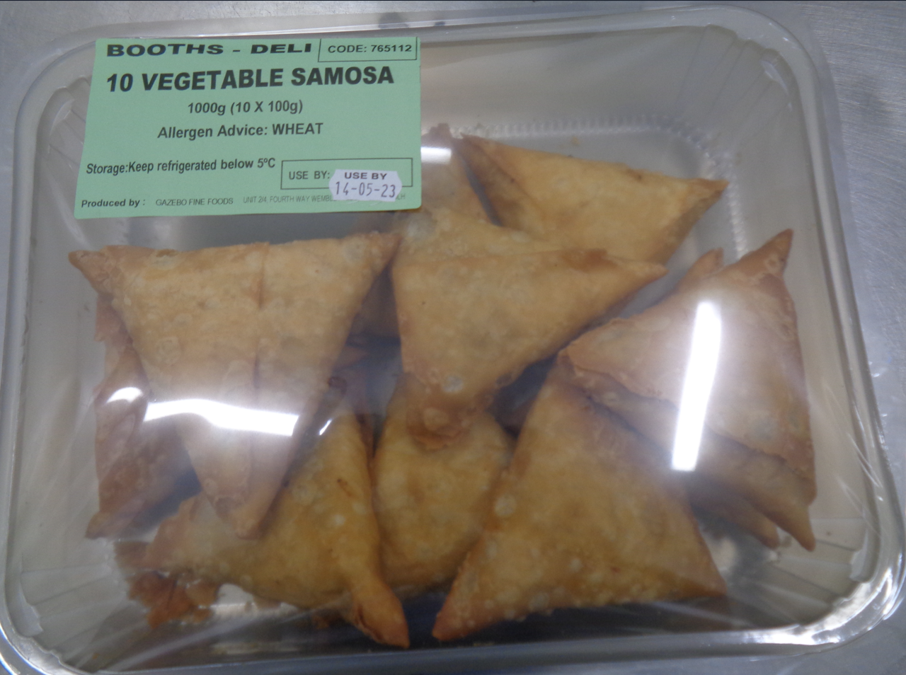 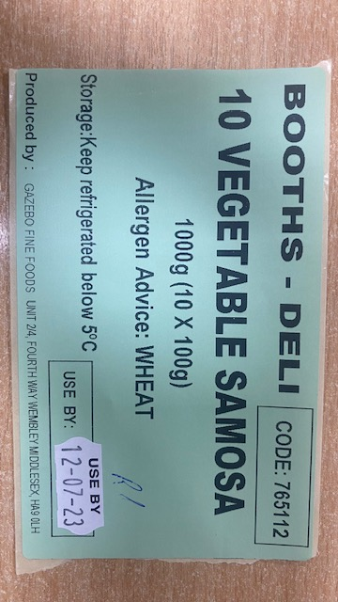

100g X10 units (1000g) |  |  |  |  | Booths -deli| Code:765112| 10 Vegetable Samosa (10X100g)
 |  |  |  |  | TOTAL WEIGHT: 1000g
ALLERGY ALERT: WHEAT

